1. Title Page
Grocery Basket Analysis

Project Name: Instacart Grocery Basket Analysis
Date: May 2022
Analyst Name: Brooke Johnson

Contents:
Population Flow
Consistency checks
Wrangling steps
Column derivations
Visualizations
Data Citation:
“The Instacart Online Grocery Shopping Dataset 2017”, Accessed from https://www.instacart.com/datasets/grocery-shopping-2017 on May 23, 2022.
*Customer and prices data was fabricated for the purpose of an educational course*
Recommendations

Objective:
Instacart stakeholders would like to know more about the variety of their customers and their purchasing behaviors so they can target different customers with applicable marketing strategies.

2. Population Flow
Title page

Population flow

Exclusion flag
Condition: max_order < 5
Obervations to be removed: 1,441,570
Final total count of order_products_all: 30,993,489

Orders_products_combined
Orders_products_merged
Orders_products_all
Final Count:
30,993,489

Total: 32,435,059
Total: 32,434,489
Total: 32,435,059

1.) The grey boxes in the first row of the population flow represent the original data sets as they were when you downloaded them. In the Total fields you need to add the count of the rows when you imported the data set into Jupyter.
2.) The second row of boxes (coloured) represents the data sets after you manipulated them, e.g., removed missing values and duplicates. In the Total fields you need to add the count of the rows after conducting these operations. This offers a visual oveview of how the data flows throughout the data consistency checks.
3.) The third row, where also the arrows are coloured, represents the merges you performed between the datasets. In the Total fields you need to add the count of the rows in the merged datasets, so that you end up with the final dataset (in the red box). Keep in mind the final dataset should be without exclusions (based on the exclusion flag).

3. Consistency checks
 |  |  |  | Title page
Consistency checks

Dataset | Missing values | Missing values treatment | Duplicates
orders | days_since_prior_order(206,209) | created new column to show explanation for missing values that there were no prior orders | No duplicates found
products | product_name (16) | filled in empty product_names with "NaN' | 5 full duplicates removed
orders_products_prior | None | N/A | No duplicates found
customers | None | N/A | No duplicates found

4. Wrangling steps
 |  |  |  | Title page
Wrangling steps

Columns dropped | Columns renamed | Columns' type changed | Comment/Reason
eval_set |  |  | not needed
 | order_dow to orders_day_of_week |  | Clarify the meaning of "dow"
 |  | order_id changed to string | unique identifyer rather than numerical value
 |  | user_id changed to string | unique identifyer rather than numerical value
 | order_hour_of_day to time_of_order |  | more familiar phrasing
Unnamed: 0_x |  |  | not needed
Unnamed: 0_y |  |  | not needed
 | Surname to Last Name |  | match First Name
 | n_dependants to number_of_dependants |  | clarify meaning
 | fam_status to marital_status |  | clarify meaning
 |  | First Name to string | fix mix type data
First Name |  |  | PII
Last Name |  |  | PII

5. Column derivations
 |  |  |  | Title page

Column derivations and aggregations

In this tab you should add tables below that the frequences of flags/label variables that you produced after deriving them. NB: don't do this for continuous variables, only for flags.
Dataset | New column | Column/s it was derived from | Conditions
df_ords_prods | price_range' | prices' | prices <= 5 ('Low-range product') 'prices' >5 and <=15 ('Mid-range product') 'prices' > 15 ('High range')
 | busiest_day' | orders_day_of_week' | value = 0 ('Busiest Day') value = 4 ('Least Busy') all other values ('Reglularly Busy')
 | busiest_days | orders_day_of_week' | value = 0 or 1 ('Busiest Day') value = 4 or 3 ('Least Busy') all other values ('Reglularly Busy')
 | busiest_period_of_day | order_hour_of_day' | value >= 9 and <=16 ('Most Orders') value = 7 or 8 or value >=17 and <=22 ('Average Orders') All other values ('Fewest Orders')
ords_prods_merge | loyalty_flag' | max_order' | value > 40 ('Loyal Customer') value <= 40 and > 10 ('Regular Customer') value <= 10 ('New Customer')
 | spending_flag' | average_prices' | value < 10 ('Low Spender') value >= 10 ('High Spender')
 | frequency_flag' | median_days_since_prior_order' | value > 20 ('Non-frequent customer') value > 10 and <= 20 ('Regular customer') value <= 10 ('Frequent customer')
 | region' | STATE' | regions were determined by state based on the region index
 | age_group' | Age' | 18-29 ('Young Adlut') 30-39 ('30s') 40-49 ('40s') 50-59 ('50s') 60-69 ('60s') 70-79 ('70s') 80+ ('80s and beyond')
 | income_class' | income' | 0-49,999 ('Low income') 50,000- 99,999 ('Middle income') 100,000-149,999 ('Upper-middle income') 150,000+ ('Upper income')
 | department' | department_id' | departments named based on department id dictionary
 | parental_status' | number_of_dependants' | value = 0 ('No Kids at Home') value > 0 ('Kids at Home')

6. Visualizations
 | Title page

Visualisations

In this tab you should include all the visualtions from Exercises 4.9 and 4.10, alongside the questions from the project brief that they answer. Include any commentary on the relationship between different variables.

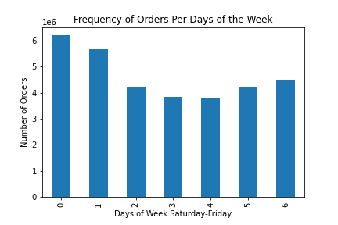
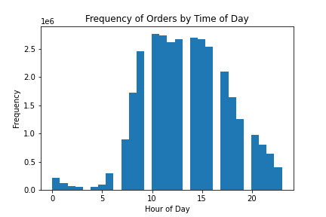
1. The sales team needs to know what the busiest days of the week and hours of the day
are (i.e., the days and times with the most orders) in order to schedule ads at times
when there are fewer orders.

▪The bar chart above shows the amount of sales by day of the week. Each day is assigned a number, starting with Saturday being 0 through Friday which is 6. Based on this chart, we can see that Saturday and Sunday are the busiest days, and Wednesday is the least busy day.
▪The histogram shows that sales are more frequent in the middle of the day, peaking around 10 am.

2. They also want to know whether there are particular times of the day when people spend
the most money, as this might inform the type of products they advertise at these times.
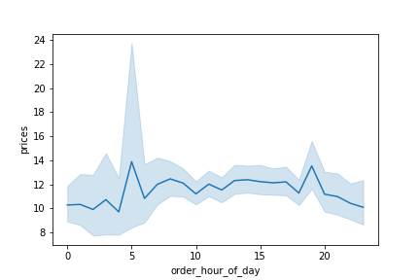

▪This line chart shows that there is a peak in prices around 5 in the morning and a smaller peak around 8 in the evening, with the rest of the day at a pretty steady rate.
▪ It is interesting to see a peak around 5 AM, and I would suggest further investigation for this phenomenon.

3. Instacart has a lot of products with different price tags. Marketing and sales want to use
simpler price range groupings to help direct their efforts.

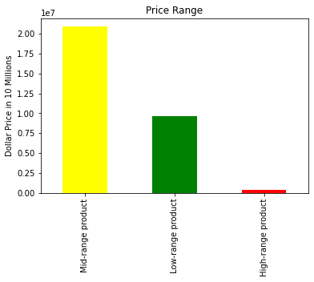

The bar chart shows that there are around 20 million products in the low range group and close to 10 million in the mid-range group. Comparatively, there are very few products in the high price range.

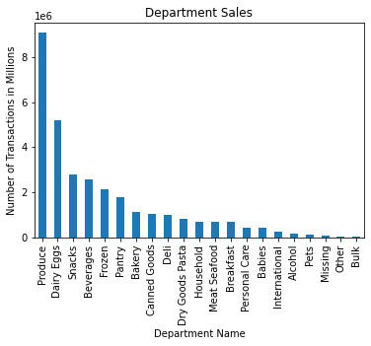
4. Are there certain types of products that are more popular than others? The marketing
and sales teams want to know which departments have the highest frequency of product
orders.

The produce department is by far the most popular department in number of transactions followed by the eggs and dairy department.

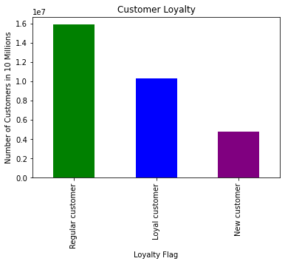
5a. What’s the distribution among users in regards to their brand loyalty (i.e., how
often do they return to Instacart)?

In the chart above, the green bar represents "Regular customers", the blue bar represent "Loyal customers" and the purple bar represents "New customers." The majority of customers are regular customers followed by loyal customers.

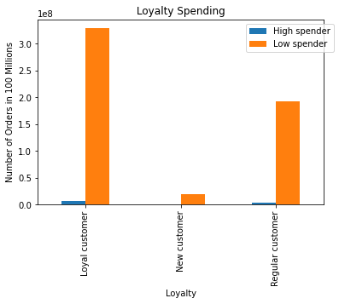
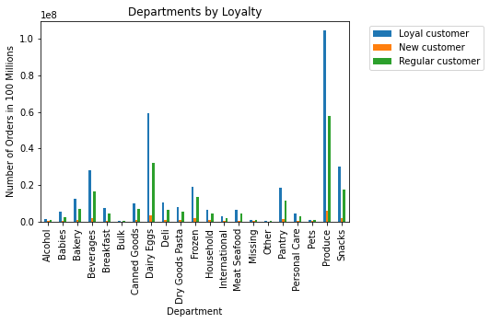
5b. Are there differences in ordering habits based on a customer’s loyalty status?
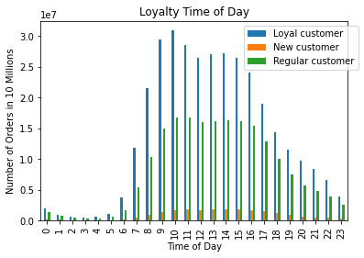

Orders for all types of customers are mostly coming in between the hours of 8 AM and 5 PM, peaking around 10 AM.
Ordering habits seem to remain the same among different levels of customer loyalty. The majority are low spenders.
Department popularity is highest in the produce and dairy/eggs sections for all types of customers.

5c. Are there differences in ordering habits based on a customer’s region?
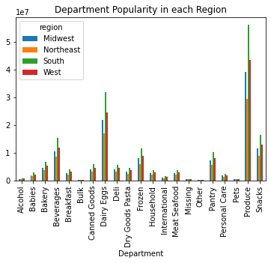
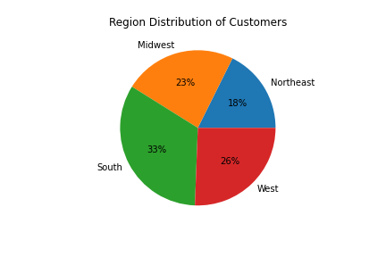

The South contains more customers than any other region, followed by the West and Midwest, with the Northeast having the fewest customers.
As far as differences in type of products being bought by regions, there is not much of a difference in that trend. Popularity among different departments tends to be the same throughout the regions.

5d. Is there a connection between age and family status in terms of ordering habits?

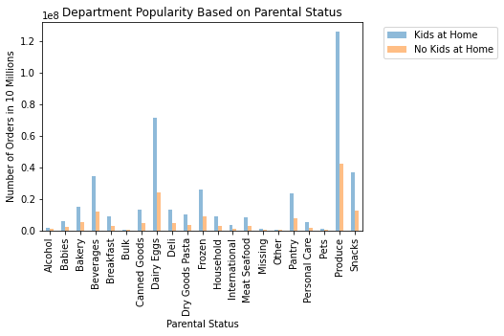
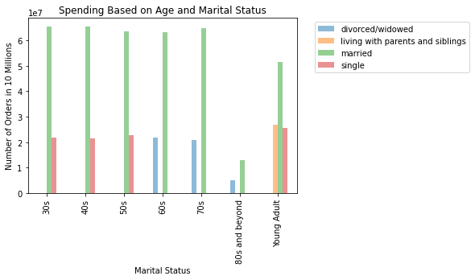

Family status does not seem to have much of an effect on the deparments that are popular, but there is a much larger group of instacart shoppers who do have kids at home.
Young adults and 80+ age groups tend to have the least amount of orders. People in their 30s and 40s tend to have the most orders, followed by 50s, 60s, and 70s.

5e. What different classifications does the demographic information suggest? Age?
Income? Certain types of goods? Family status?
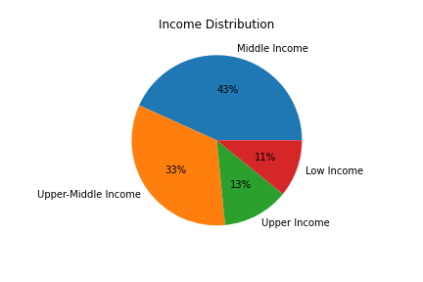
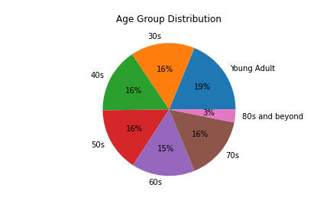

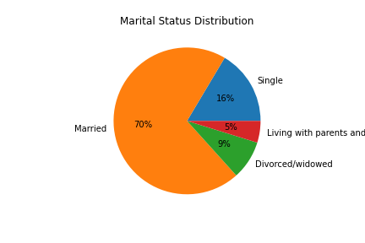

▪The age groups of Instacart shoppers are spread somewhat equally, with the exception of the 80 years and older group, which is significantly less than the others.
▪The majority of the shoppers are either middle income or upper-middle income.
▪Most shoppers are married.

5f. What differences can you find in ordering habits of different customer profiles?
Consider the price of orders, the frequency of orders, the products customers are
ordering, and anything else you can think of.
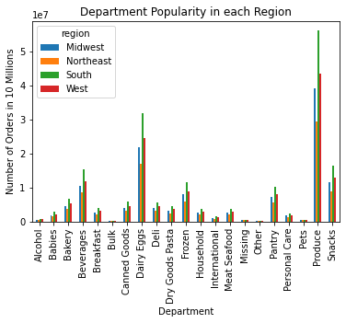

The department popularity trends remain about the same throughout all the regions, loyalty statuses and parental statuses.

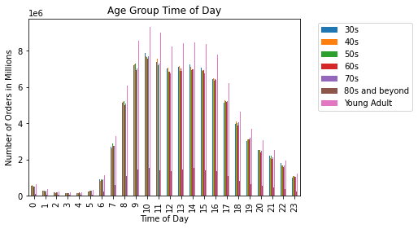
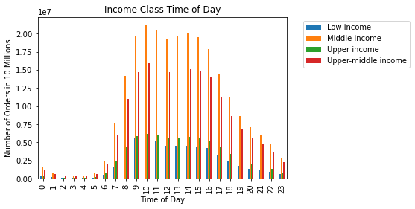

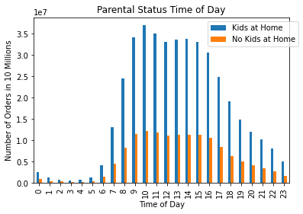

Time of day trends also seem to remain about the same across different profiles. All age groups, income levels, loyalty statuses, and parental statuses tend to begin significantly increasing around 8 AM, decreasing around 5 PM and peaking around 10 AM.

7. Recommendations
 | Title page

Recommendations

In this tab you should include any recommendations you would made to Instcart in terms of their marketing strategy based on the questions posed in the brief. Every key question has been covered in the Tasks of the Exercises - here you need to add an item - a visualisation or table/crosstable that is showing the answer in the data, acompanied by a comment from you. Please, list the questions below and add the answer underneath.

1. The sales team needs to know what the busiest days of the week and hours of the day
are (i.e., the days and times with the most orders) in order to schedule ads at times
when there are fewer orders.

▪The bar chart above shows the amount of sales by day of the week. Each day is assigned a number, starting with Saturday being 0 through Friday which is 6. Based on this chart, we can see that Saturday and Sunday are the busiest days, and Wednesday is the least busy day.
▪The histogram shows that sales are more frequent in the middle of the day, peaking around 10 am.
▪Based on these findings, the best times for Instacart to schedule ads during the week days before 8 AM or after 5 PM if they want ads to be scheduled when there are fewer orders.

2. They also want to know whether there are particular times of the day when people spend
the most money, as this might inform the type of products they advertise at these times.

▪This line chart shows that there is a peak in prices around 5 in the morning and a smaller peak around 8 in the evening, with the rest of the day at a pretty steady rate.
▪ It is interesting to see a peak around 5 AM, and I would suggest further investigation for this phenomenon.

3. Instacart has a lot of products with different price tags. Marketing and sales want to use
simpler price range groupings to help direct their efforts.

▪The bar chart shows that there are around 20 million products in the low range group and close to 10 million in the mid-range group. Comparatively, there are very few products in the high price range.
▪Focusing ads towards mi-range products will capture the largest audience, but if the marketing team would like to guide more people towards less popular products, they should focus on high-range products and some low-range products.

4. Are there certain types of products that are more popular than others? The marketing
and sales teams want to know which departments have the highest frequency of product
orders.

The produce department is by far the most popular department in number of transactions followed by the eggs and dairy department.

5a. What’s the distribution among users in regards to their brand loyalty (i.e., how
often do they return to Instacart)?

▪In the chart above, the green bar represents "Regular customers", the blue bar represent "Loyal customers" and the purple bar represents "New customers." The majority of customers are regular customers followed by loyal customers.
▪Instacart might consider rewarding "Loyal customers" with incentives such as discounts or loyalty reward points to maintain "Loyal customers" and encourage "reagular customers" to become "loyal customers".

5b. Are there differences in ordering habits based on a customer’s loyalty status?

Orders for all types of customers are mostly coming in between the hours of 8 AM and 5 PM, peaking around 10 AM.
Ordering habits seem to remain the same among different levels of customer loyalty. The majority are low spenders.
Department popularity is highest in the produce and dairy/eggs sections for all types of customers.

5c. Are there differences in ordering habits based on a customer’s region?

▪The South contains more customers than any other region, followed by the West and Midwest, with the Northeast having the fewest customers.
▪Since the South makes up a large portion of the Instacart customer base, Instacart might consider building more distribution centers and offices in the southern region of the country.

As far as differences in type of products being bought by regions, there is not much of a difference in that trend. Popularity among different departments tends to be the same throughout the regions.

5d. Is there a connection between age and family status in terms of ordering habits?

Family status does not seem to have much of an effect on the deparments that are popular, but there is a much larger group of instacart shoppers who do have kids at home.
Young adults and 80+ age groups tend to have the least amount of orders. People in their 30s and 40s tend to have the most orders, followed by 50s, 60s, and 70s.

Focusing on ads geared towards families with married couples and children may be beneficial for Instacart, as they make up the majority of the customer base. It might also be worth considering creating a "grandparents-friendly" ordering option or technical assistance to encourage more of the elderly to use Instacart.

5e. What different classifications does the demographic information suggest? Age?
Income? Certain types of goods? Family status?

▪The age groups of Instacart shoppers are spread somewhat equally, with the exception of the 80 years and older group, which is significantly less than the others.
▪The majority of the shoppers are either middle income or upper-middle income.
▪Most shoppers are married.
▪As stated above, focusing on married families would be beneficial.
▪Since the majority of shoppers are middle to upper- middle income, it is important to keep prices affordable.
▪Offering more discounts and coupons whenever possible could encourage more low income shoppers to use instacart.
▪However, if the goal is to bring in more upper income families, instacart may focus more on advertising higher end products.

5f. What differences can you find in ordering habits of different customer profiles?
Consider the price of orders, the frequency of orders, the products customers are
ordering, and anything else you can think of.

The department popularity trends remain about the same throughout all the regions, loyalty statuses and parental statuses.

Time of day trends also seem to remain about the same across different profiles. All age groups, income levels, loyalty statuses, and parental statuses tend to begin significantly increasing around 8 AM, decreasing around 5 PM and peaking around 10 AM.

